Instructions & Login
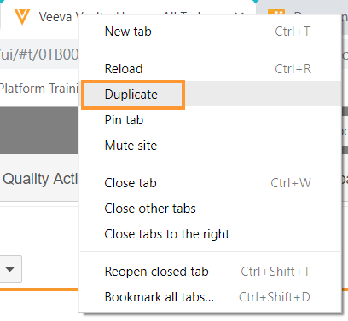
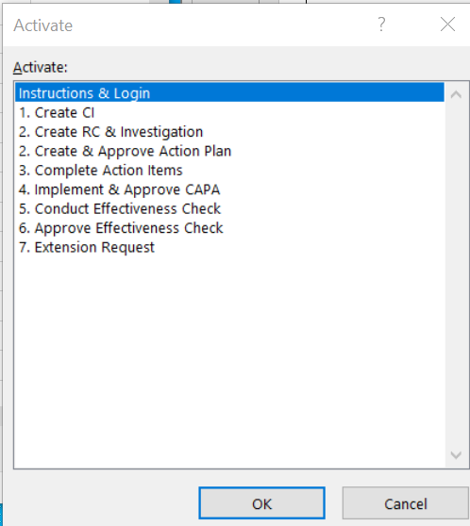
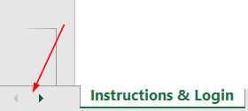
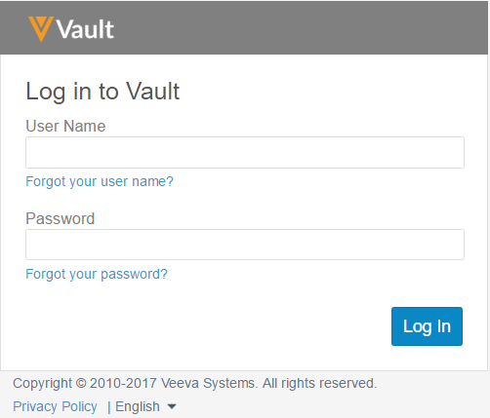 1. Log in by accessing the URL login.veevavault.com.
2. The objective of each Process Exercise is to gain hands-on experience with Vault QMS by creating QMS records and routing records through configured workflows and to confirm that the system meets your business needs. For reference, QMS Process Diagrams can be referenced in Teams.
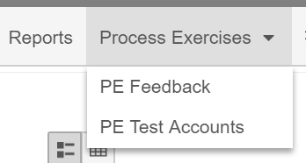 3. Each process exercise has a User Notes (Optional) column where testers may document feedback/comments while completing the exercise. This column is optional, however please note that all feedback, comments, requests, etc. will eventually need to be logged in the sandbox environment within the Process Exercise (PE) Feedback tab.
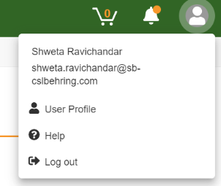 4. The Vault Help Documentation contains detailed explanations of, and step-by-step instructions for, many features in Vault. Browsing and searching the help documentation will help you learn how to use the system. If you have a question, see if you can find the answer in the help documentation. If the answer cannot be found in the help documentation, then your Veeva project team can assist. To access Vault help, click your username in the upper-right corner of your screen, then 'Help':
5. For ease of use, all email and passwords are identical. (This is recommended so that the Veeva project team can log in to any account for troubleshooting, if necessary.) The credentials for the accounts listed below can also be found in the PE Test Accounts tab. If password reset is required, please contact a member of the Veeva project team.
Test User Accounts
Role/Name | User ID | Password
QMS Initiator: Izzy | izzy.all@sb-cslbehring.com izzy.ci@sb-cslbehring.com | Veeva1234!
QMS Owner: Olivia | olivia.all@sb-cslbehring.com olivia.ci@sb-cslbehring.com | Veeva1234!
Investigator and Eff Check Owner: Amy (Analyst) | amy.all@sb-cslbehring.com amy.ci@sb-cslbehring.com | Veeva1234!
Action Owner: Colin | colin.all@sb-cslbehring.com olivia.ci@sb-cslbehring.com | Veeva1234!
Approver: Sally (Supervisor) | sally.all@sb-cslbehring.com sally.ci@sb-cslbehring.com | Veeva1234!
QMS QA: Quincy | quincy.all@sb-cslbehring.com quincy.ci@sb-cslbehring.com | Veeva1234!
All user email notifications will go to: cslseqtestusers@gmail.com Password: Veeva123 If prompted to enter a recovery password, please use shweta.ravichandar@veeva.com
Tips & Tricks
You can only be logged into one account at a time (per a single browser), however you can have multiple tabs open displaying different information. After logging into Vault, right-click the tab and select Duplicate. This will automatically open another tab from where you are in the Vault.
To quickly navigate across all the tabs in this workbook, open the document in Excel and right-click between the arrows appearing in the bottom left (before the first tab). A dialog box will appear with a list of all tabs in the workbook.

